1. Title Page
Instacart Grocery Project Analysis

Project Name: Instacart Grocery Project analysis
Date: 02-08-2024
Analyst Name: Vineeta Sinha

Contents:
Population Flow
Consistency checks
Wrangling steps
Column derivations
Visualizations
Recommendations

Data Citation
https://pandas.pydata.org/docs/getting_started/intro_tutorials/06_calculate_statistics.html#aggregating-statistics-grouped-by-category

https://www.geeksforgeeks.org/pandas-profiling-in-python/

https://www.instacart.com/datasets/grocery-shopping-2017/

2. Population Flow
Population Flow

Population flow

Orders_products_all
Orders_products_combined
Orders_products_merged

Total:32404859
Total:32434489
Total: 32404859

1.) The grey boxes in the first row of the population flow represent the original data sets as they were when you downloaded them. In the Total fields you need to add the count of the rows when you imported the data set into Jupyter.
2.) The second row of boxes (coloured) represents the data sets after you manipulated them, e.g., removed missing values and duplicates. In the Total fields you need to add the count of the rows after conducting these operations. This offers a visual oveview of how the data flows throughout the data consistency checks.
3.) The third row, where also the arrows are coloured, represents the merges you performed between the datasets. In the Total fields you need to add the count of the rows in the merged datasets, so that you end up with the final dataset (in the red box). Keep in mind the final dataset should be without exclusions (based on the exclusion flag).

3. Consistency checks
 |  |  |  | Title page
Consistency checks

Dataset | Missing values | Missing values treatment | Duplicates
orders | 206209 - Orders | No action needed
products | 16 - Products Names | Missing Products were removed
orders_products_prior | No Missing Values | No action needed
customers | 11259 - Missing First Names | No action was needed

4. Wrangling steps
 |  |  |  | Title page
Wrangling steps

Columns dropped | Columns renamed | Columns' type changed | Comment/Reason
Orders Dataset | No columns were renamed | No types were changed

Products Dataset | No columns were renamed | No types were changed

Customer Dataset | No columns were renamed | No types were changed

5. Column derivations
 |  |  |  | Title page

Column derivations and aggregations

In this tab you should add tables below that the frequences of flags/label variables that you produced after deriving them. NB: don't do this for continuous variables, only for flags.
Dataset | New column | Column/s it was derived from | Conditions
Ords_Prods_Merged | Price_range_loc | Prices | <=5 - Low range Product, >5 & <=15 - Mid range product, >15 - High range product

Ords_Prods_Merged | Busiest_day | Order_dow | [==0 - Busiest_day, ==4 - Least Busy, Rest - Regularly busy]

Ords_Prods_Merged | Busiest_period_of_day | Order_hour_of_day | >=9 & <=17 - Most Orders, >=0 & <=6 - Fewest Orders, Rest - Average_orders

ords_prods_merged_latest | Loyality_flag | Max_order | <=40 & >10 - Regular customer, <10 - New Customer, >40 - Loyal customer

ords_prods_merged_latest | Spending_flag | Average price | <10 - Low Spender, >=10 - High spender

Ords_Prods_Merged | Order_frequency_flag | Days_since_prior_order | >20 - Non_frequent_customer, >10 & <=20 - Regular_customer, <=10 - Frequent_customer

Cust_ord_prod | Region | State | Midwest, Northeast, South, West

Final_Data | Age_category | age | <=35 - Young Adult, >35 & <65 -Adult, >65 - Elderly

Final_Data | Income_category | Income | <=50000 - Low Income, >50000 & <250000 - Average Income, >=250000 - High Income

Final_Data | Depandants_category | Total_dependants | [=0 - No dependants, >0 - With Dependants]

6. Visualizations
Title page

Visualisations

Question - What the busiest days of the week and hour of the day are?
Answer - After performing the data analysis on Instacart we found that the Saturday and Sunday wer the busiest days of the week followed by Friday. Tuesday and Wednesday came out to the slowest days.
The busiest hour of the day when maximum orders were placed was between 9am to 5pm. As the stakeholders are looking to improve the performace, they should target these peak hours for their ad campaigns.

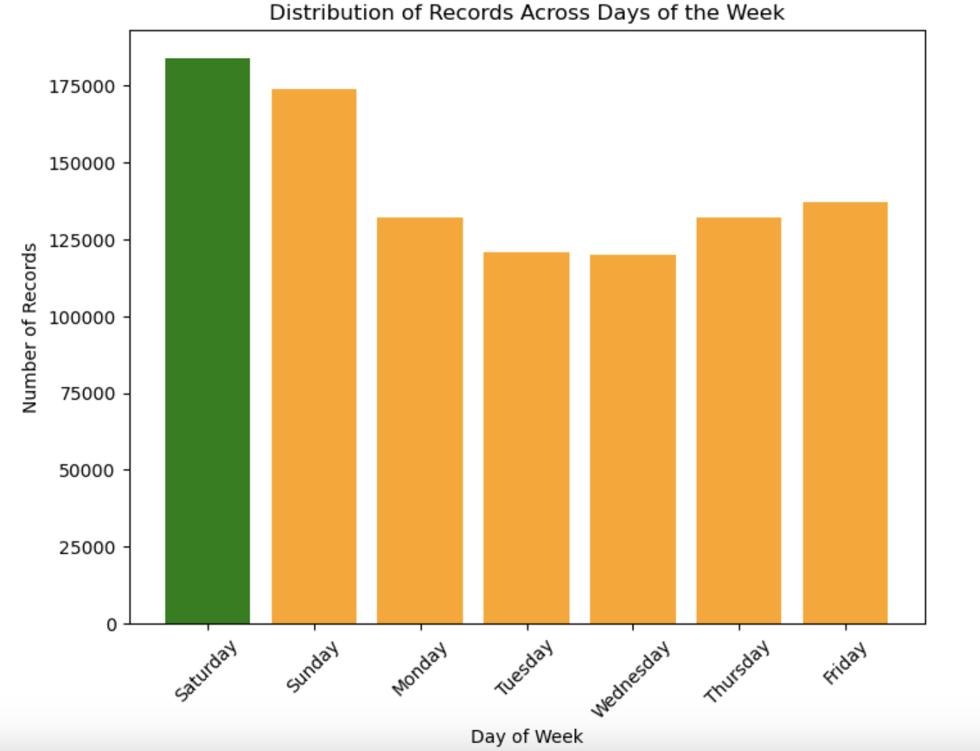
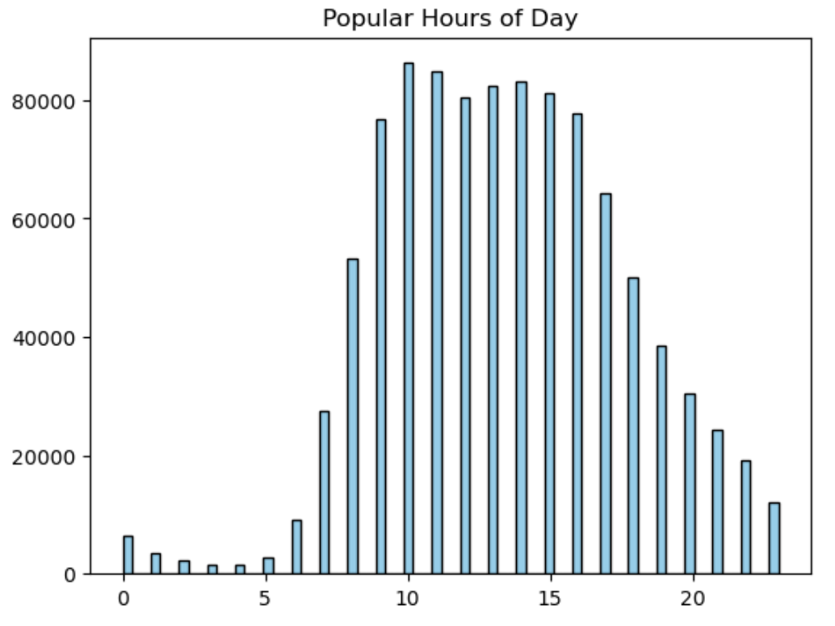

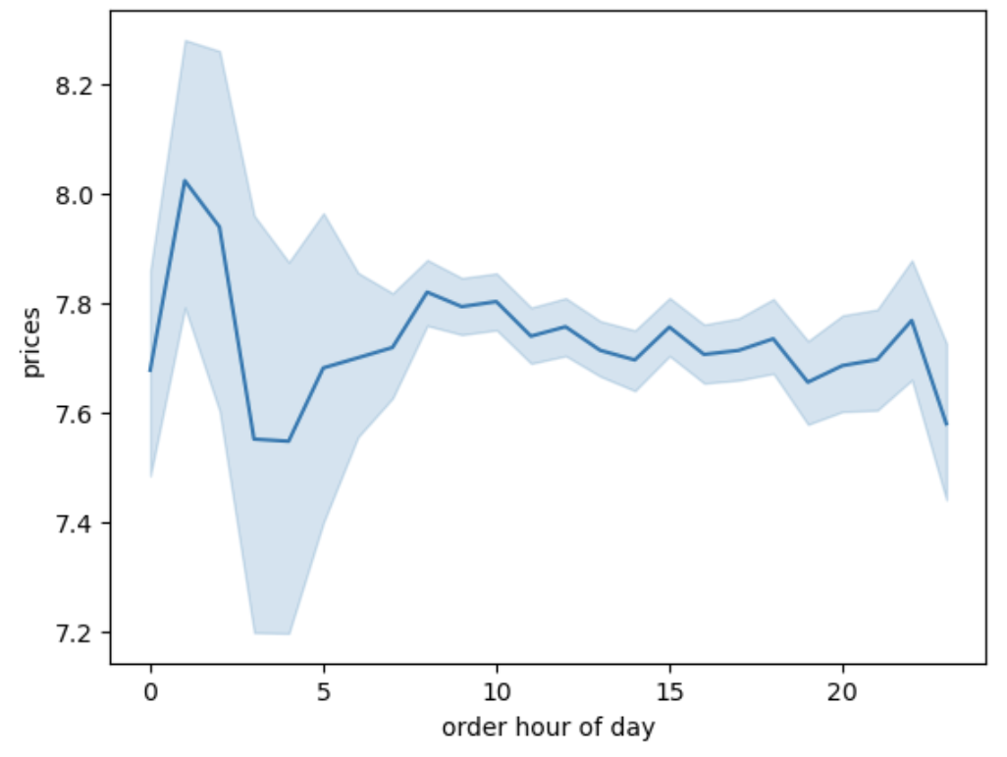

Question - Are there any particular time of the day when people spend most money?
Answer - as per the observation, we found that the customer spend most money and placed most orders during early hours of the day which was between 2am to 10am.

Question - What are the different price range groupings? Are there certain types of products that are more popular than others?
Observation - As far as the price range was concerned it was found that most products ranged between $1 to $15. After diving deeper and performing some more analysis we found that the most popular products were 1(Icecream Bars), 4(grapes), 7(Soda), 16(Butter), 19(Cookies).

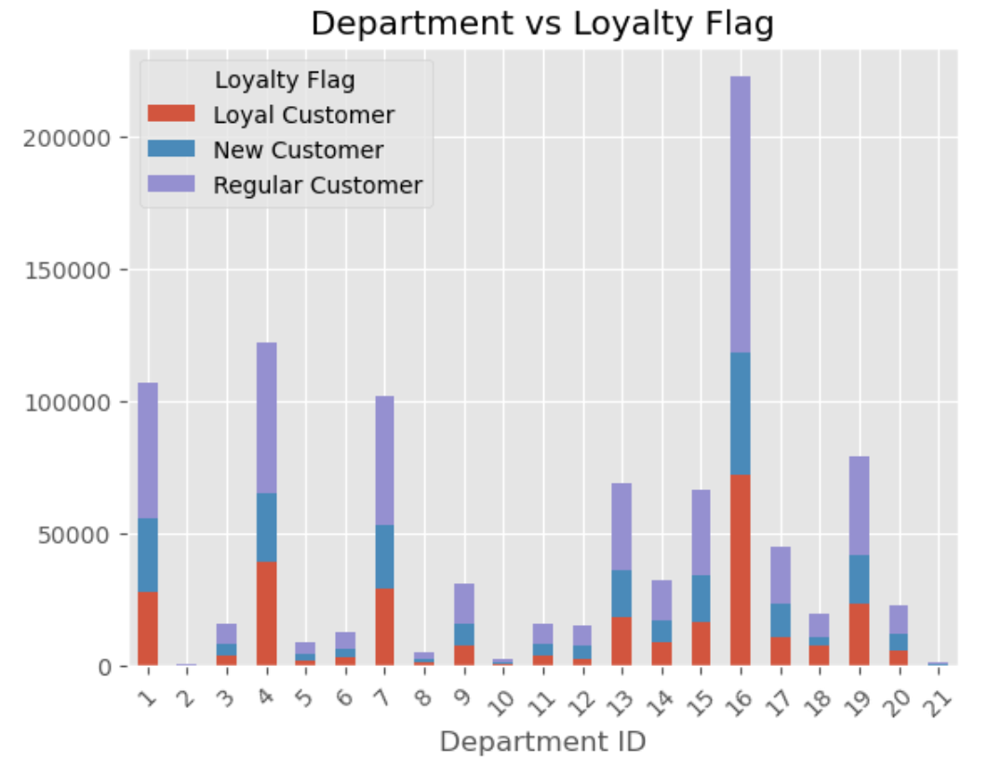
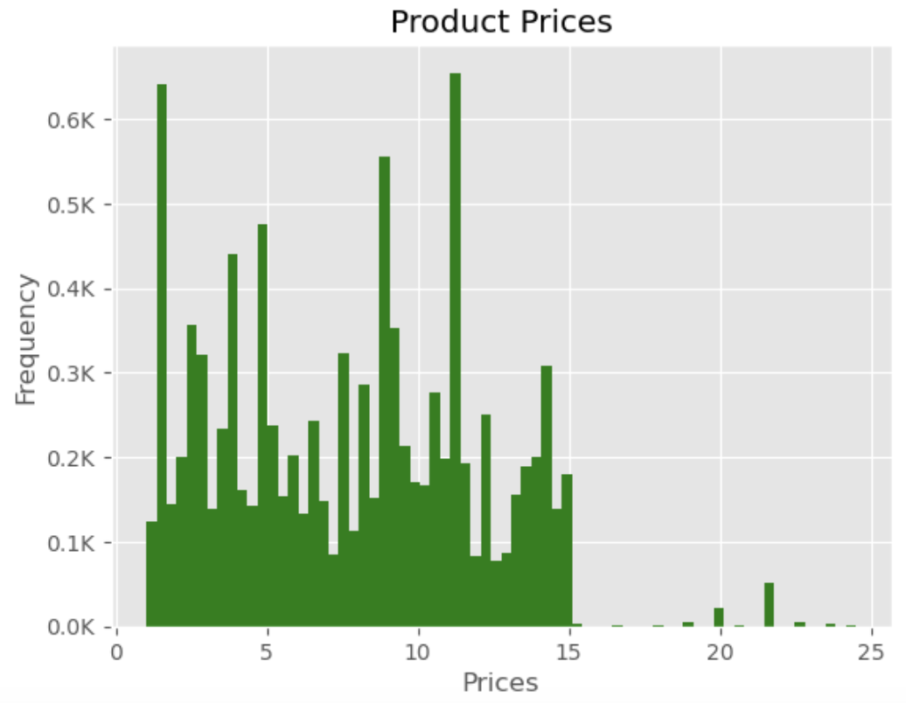

Question 4 - What are the different types of customers and how their ordering behaviour differ?
Observation - Nearly 70% of the customers fall under married category, followed by 16.6% as unmarried. Considering age and income, 600000 fell under average income whereas 400000 were adults. However based on the analysis it was concluded that age and income had no correlations with ordering behaviour.

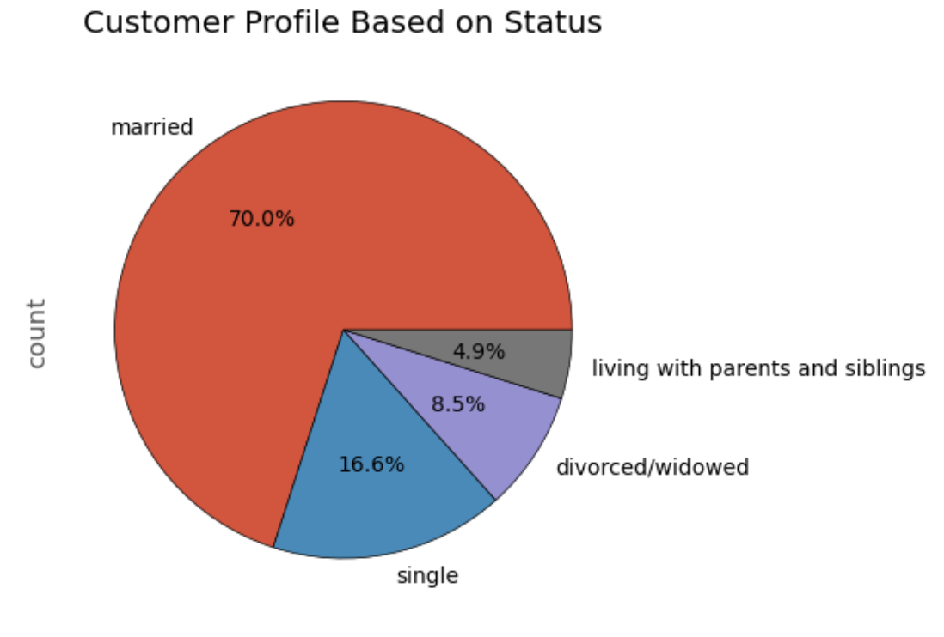
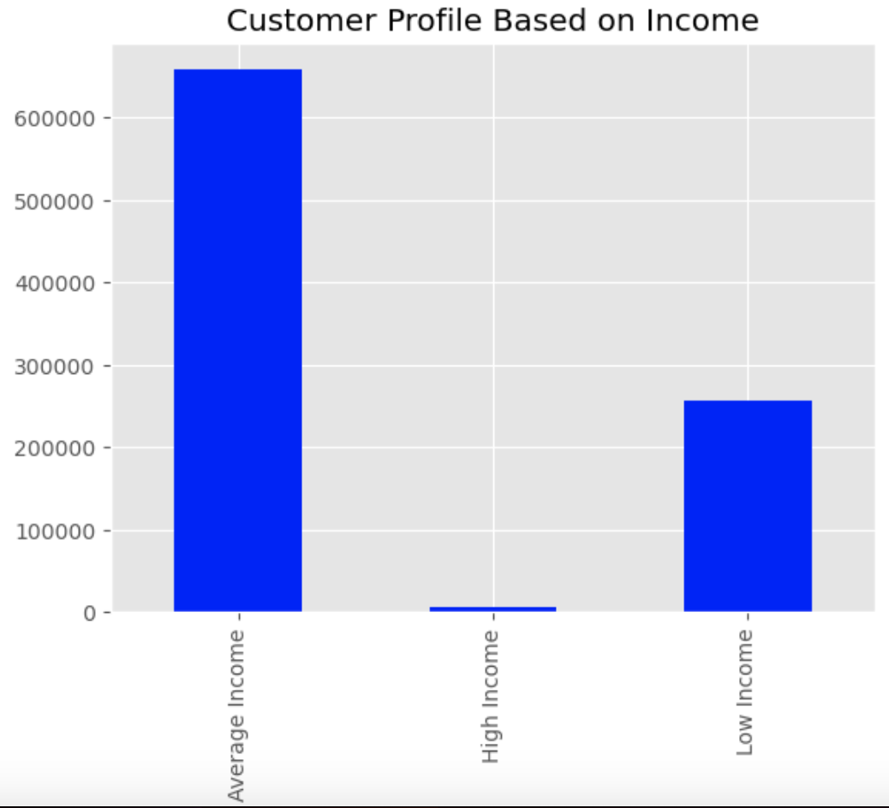
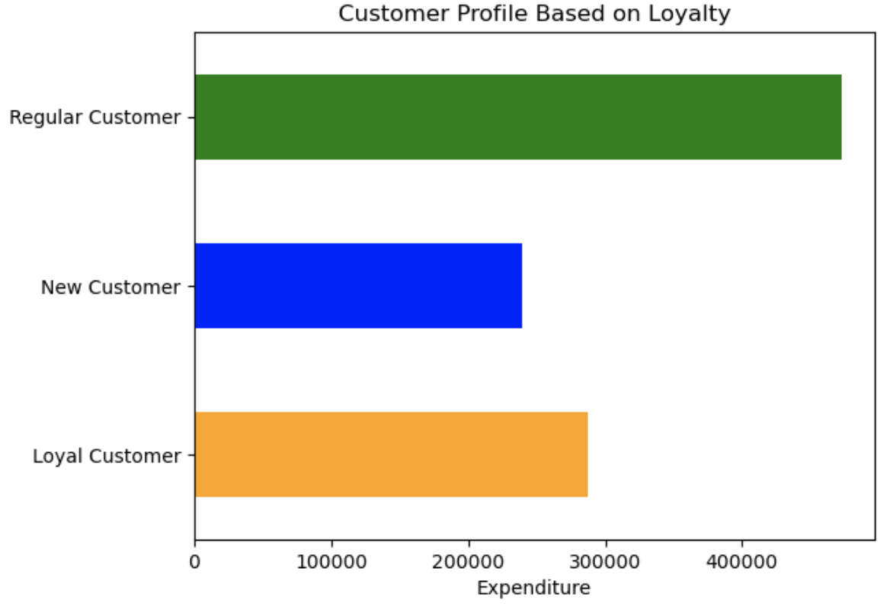

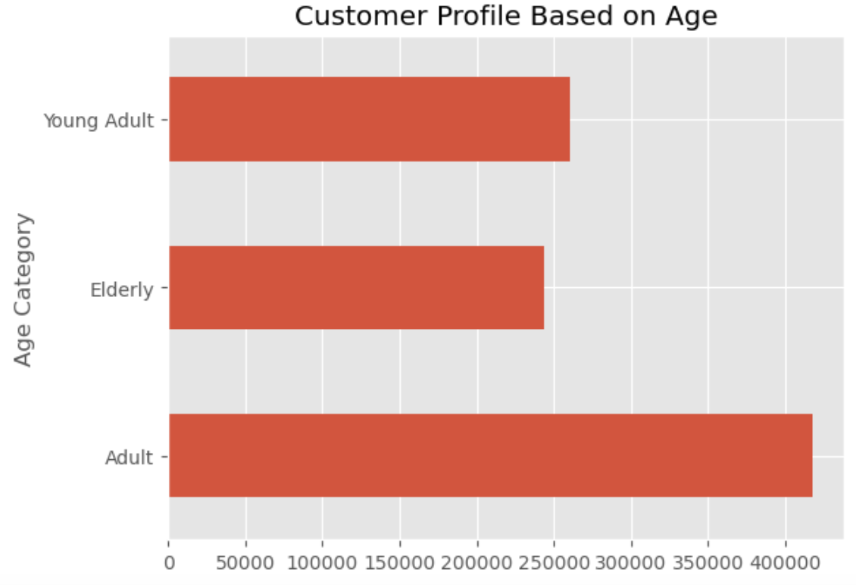
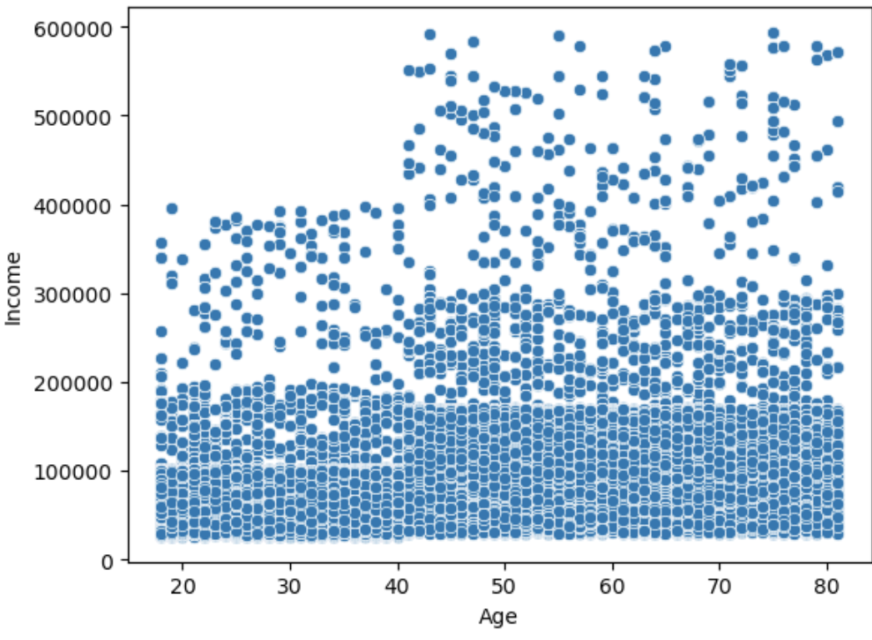

Question - Did customers ordering behaviour differ in different regions?
Observation - According to the analysis region played no role in customer's ordering behaviour.

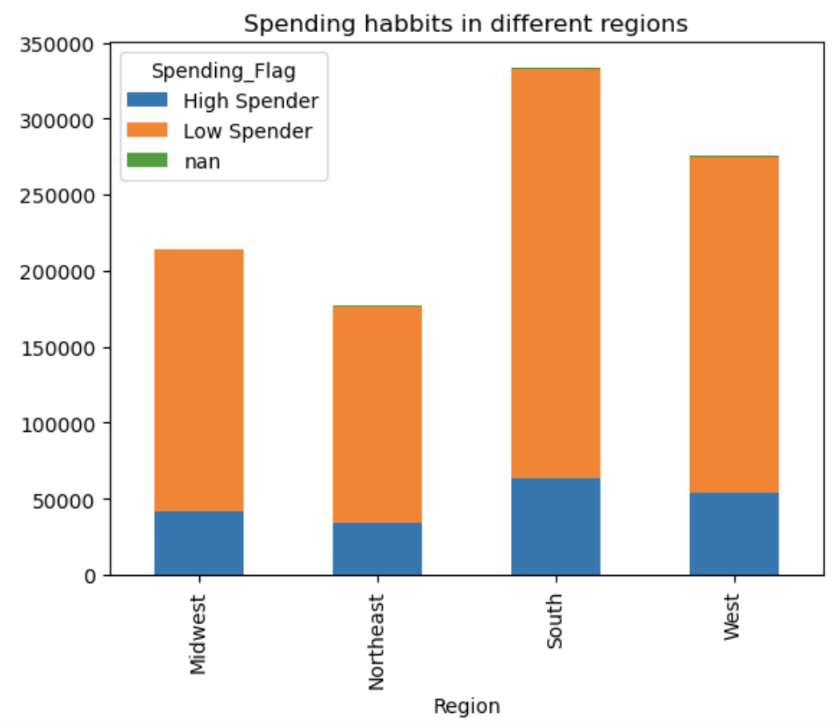
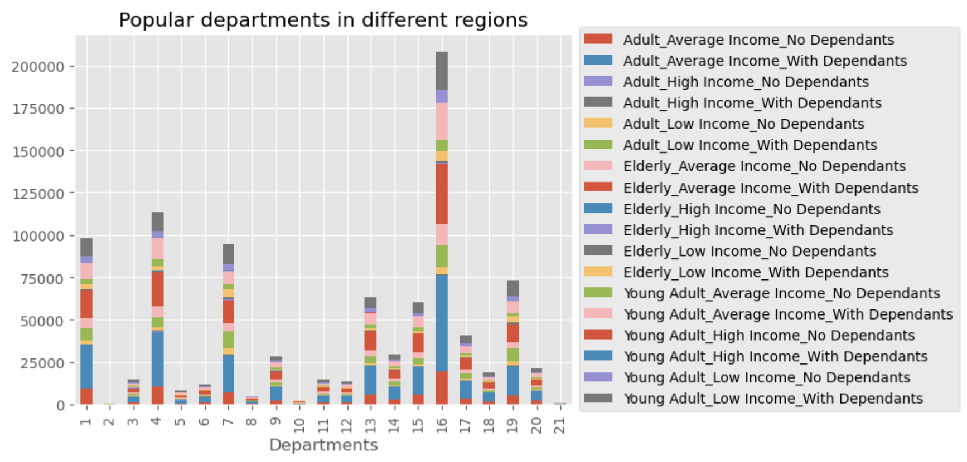

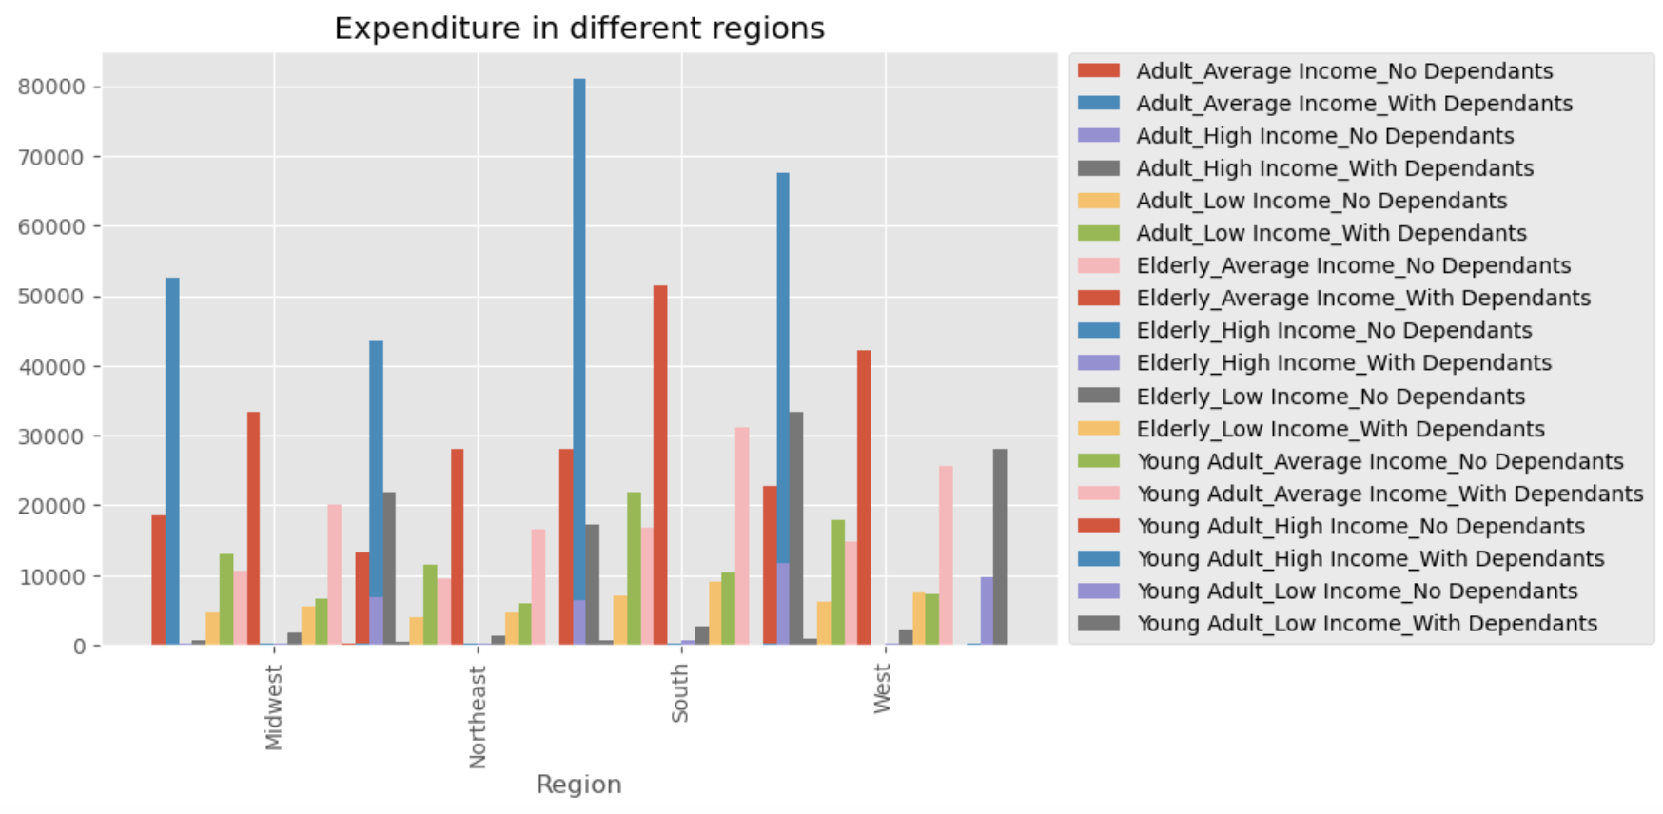

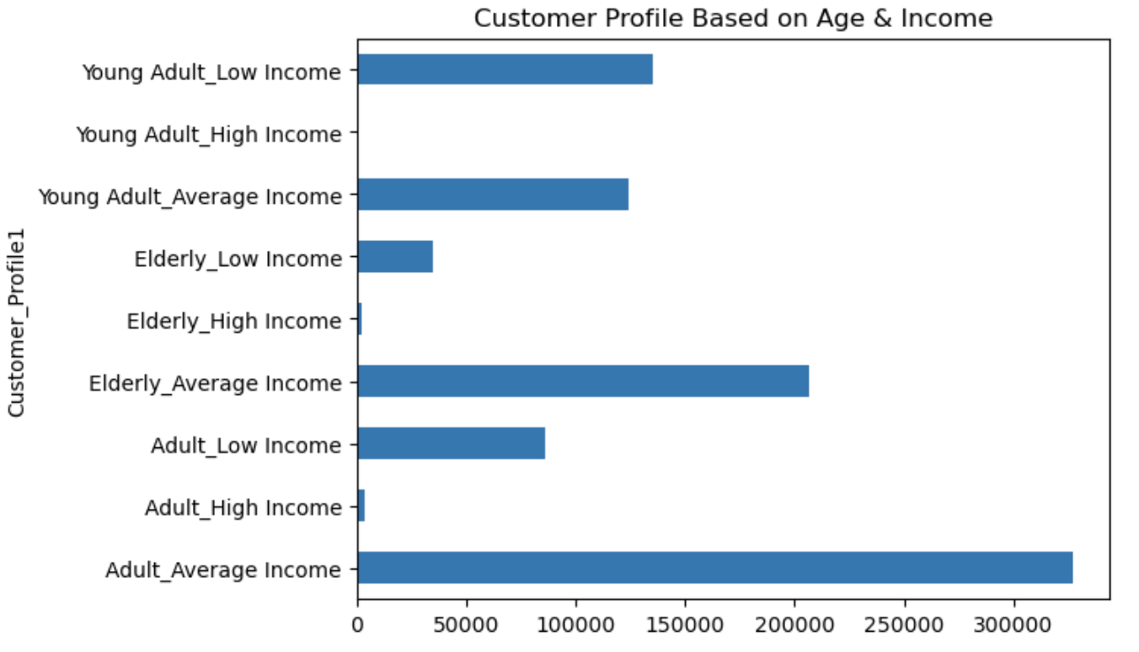

Observation - Based on customer profile's age and income, it was clear that the customers with average income in all the categories were the most frequent on Instacart where as customers with high income were the least frequent visitors.

7. Recommendations
 |  | Title page

Recommendations

In this tab you should include any recommendations you would made to Instcart in terms of their marketing strategy based on the questions posed in the brief. Every key question has been covered in the Tasks of the Exercises - here you need to add an item - a visualisation or table/crosstable that is showing the answer in the data, acompanied by a comment from you. Please, list the questions below and add the answer underneath.

Recommendations.
1. As per the Instacart Grocery analysis, it was concluded that weekends were the most busiest days when customers visited the site and Tuesday & Wednesday were the slowest. Hence the sales team should focus on busiest & the slowest days to schedule ads in order to improve their ad campaigns.
2.The busiest hour of the day when maximum orders were placed was between 9am to 5pm. As the stakeholders are looking to improve the performace, they should target these peak hours for their ad campaigns.
3. Early morning from 2am to 10am was considered to be the busiest time when most of the order was placed by the customers. The sales team should target those early morning hours to improve there marketing.
4. It was aso concluded that the most propular products were people spend their money was Icecream Bars, grapes, Soda, Butter and Cookies. The sales team should look into these product as why there was more demand for only these products. Also, they should target their ad campaigns more on these products as they were the most popular.
5. Region and customer status made no difference to the spending. Although it was very clear from the analysis that average income category of the customers were the most frequent visitors of Instacart. The sales team should focus on the young adult high income group which almost never visited the Instacart and the young adults low income group who significantly contributed a good proportion of their spending.

Question | Answer
Key Question 1. The sales team needs to know what the busiest days of the week and hours of the day are (i.e., the days and times with the most orders) in order to schedule ads at times when there are fewer orders.
Answer - Busiest days - Saturday & Sunday. Busiest hours - 2am - 10am.

Key Question 2. Instacart has a lot of products with different price tags. Marketing and sales want to use simpler price range groupings to help direct their efforts.
Answer - As far as the price range was concerned it was found that most products ranged between $1 to $15.

Key Question 3. Are there certain types of products that are more popular than others? The marketing and sales teams want to know which departments have the highest frequency of product orders.
Answer - The most propular products and departments were people spend their money was Icecream(1) Bars(4), grapes(7), Soda(14), Butter(16) and Cookies(19).

Key Question 4. What’s the distribution among users in regards to their brand loyalty (i.e., how often do they return to Instacart)?
Answer. Regular customers made the largest share in spending followed by the loyal customers.

Key Question 5. Are there differences in ordering habits based on a customer’s loyalty status or region?
Answer. There was no difference found in the ordering habbits as far as region or loyalty status was concerned. Most popular products in all the regions were significantly the same.

Key Question 6. What different classifications does the demographic information suggest? Age? Income? Certain types of goods? Family status?
Answer. Nearly 70% of the customers fall under married category, followed by 16.6% as unmarried. Considering age and income, 600000 fell under average income whereas 400000 were adults. However based on the analysis it was concluded that age and income had no correlations with ordering behaviour.There was no significant difference between the types of products ordered.

Key Question 7. What differences can you find in ordering habits of different customer profiles? Consider the price of orders, the frequency of orders, the products customers are ordering, and anything else you can think of.
Answer - According to the customer profile, it was very clear from the analysis that average income category of the customers were the most frequent visitors of Instacart. The sales team should focus on the young adult high income group which almost never visited the Instacart and the young adults low income group who significantly contributed a good proportion of their spending.

